Project4305
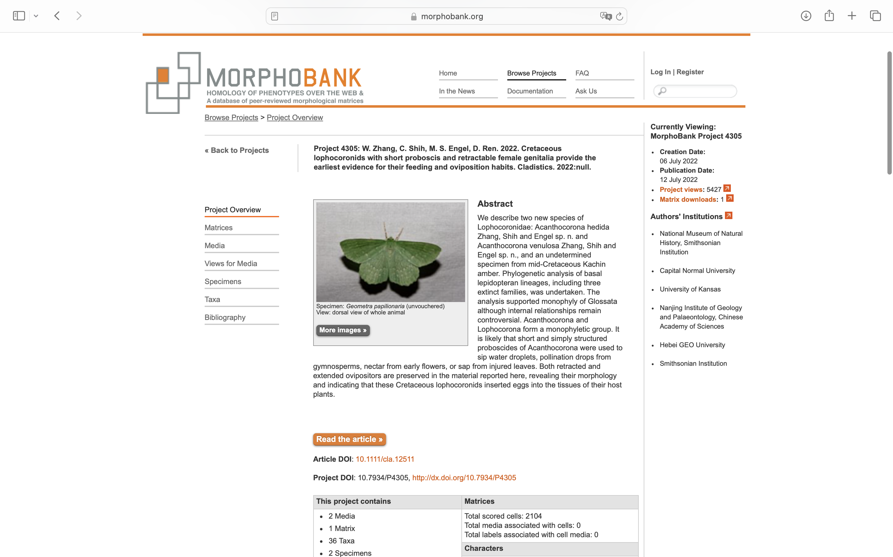
Charlabels | Character Pattern | Unseen States
[1] 'Antennal scape and pedicel' | Transformational | YES
[2] 'Antennal sensilla auricillica' | Neomorphic | NO
[3] 'Antennal ascoids' | Neomorphic | NO
[4] 'Intercalary sclerite on antenna' | Transformational | YES
[5] 'Dorsal cranial condyles at antennal base' | Neomorphic | NO
[6] 'Ocellus' | Neomorphic | NO
[7] 'Chaetosemata' | Neomorphic | NO
[8] 'Epistomal suture (frontoclypeal suture)' | Transformational | YES
[9] 'Galeae linking mechanism' | Neomorphic | NO
[10] 'Proboscis' | NT?;0=0-;1=11;2=12
[11] 'Proboscis - 2' | Neomorphic | NO
[12] 'Intrinsic proboscis musculature' | Neomorphic | NO
[13] 'Mandible' | Transformational | NO
[14] 'Lacinia' | Neomorphic | NO
[15] 'Labrum' | Neomorphic | NO
[16] 'Postlabial area' | Transformational | YES
[17] 'Maxillary palpus' | Transformational | YES
[18] 'Labial palpus' | Transformational | YES
[19] 'vom Rath s organ' | Neomorphic | NO
[20] 'Maxillary palpus and Labial palpus' | Transformational | YES
[21] 'paraglossae' | Neomorphic | NO
[22] 'Posteromedial arms on the cervical sclerites' | Neomorphic | NO
[23] 'Metathoracic furcal stem' | Transformational | NO
[24] 'Precoxal bridge' | Neomorphic | NO
[25] 'Foretibia' | Transformational | YES
[26] 'Mesotibia' | Transformational | YES
[27] 'Metatibia' | Transformational | YES
[28] 'Epiphysis' | Neomorphic | NO
[29] 'Wing venation on fore- and hind wings' | Transformational | NO
[30] 'Microtrichia on forewing' | Neomorphic | NO
[31] 'Scales on wings' | Neomorphic | NO
[32] 'Herring-bone on scale' | Neomorphic | NO
[33] 'Nygmata on wings' | Neomorphic | NO
[34] 'Humeral vein' | Neomorphic | NO
[35] 'Sc on forewing' | Transformational | NO
[36] 'R on forewing' | Transformational | NO
[37] 'Rs on forewing' | Transformational | YES
[38] 'Rs on forewing - 2' | Transformational | YES
[39] 'Rs3 on forewing' | Transformational | YES
[40] 'Rs4 on forewing' | Transformational | YES
[41] 'M vein on forewing' | Transformational | YES
[42] 'Anal veins' | Transformational | YES
[43] 'M vein' | Transformational | YES
[44] 'Crossvein sc-r on forewing: present' | Neomorphic | NO
[45] 'Crossvein r-rs on forewing' | Neomorphic | NO
[46] 'Crossvein m on forewing' | Neomorphic | NO
[47] 'Crossvein m-cu on forewing' | Neomorphic | NO
[48] 'Jugate on forewing' | Neomorphic | NO
[49] 'Costal margin of hind wing' | Transformational | NO
[50] 'First abdominal tergum' | Transformational | YES
[51] 'Abdominal glands on 5th sternite' | Neomorphic | NO
[52] 'Spermathecal duct' | Transformational | YES
[53] 'Spermatheca duct' | Transformational | YES
[54] 'Transverse muscles in male postgenital segment' | Neomorphic | NO
[55] 'Transtilla in male genitalia' | Neomorphic | NO
[56] 'Sclerotized tubular intromittent organ on male genitalia' | Neomorphic | NO
[57] 'Valva' | Transformational | NO
[58] 'Valva - 2' | Transformational | YES
[59] 'female genital apparatus' | Transformational | YES
[60] 'Oviscapt' | Transformational | NO
[61] 'Female with complex ?vaginal sclerite? in posterior part of genital chamber encircling egg passage' | Neomorphic | NO
[62] 'Apodemes (=apophyses)' | Neomorphic | NO
[63] 'Larval head capsule' | Transformational | NO
[64] 'Larval prolegs' | Neomorphic | NO
[65] 'The pupal mandibles' | Transformational | NO

